Introduction
INTRODUCTION TO THE SCORING MODEL

INTRODUCTION

This introduction is written according to the English formatting rules. This includes rules regarding decimal and thousands separators.
The purpose of the scoring model is to evaluate the overall environmental performance (in terms of climate impact, land use and resource use) of the packaging material use. Other factors, such as end-of-life treatment and recyclability, are not evaluated in the scoring model. These are/should be evaluated with other criteria.

The "Scoring model" sheet shall be filled out in relation to the products specified in the tender. The purpose is to be able to evaluate the overall environmental performance of the packaging material and production hereof. Note that you should fill in the Scoring model for packaging as received directly from supplier factory (AB fabrik).

GUIDE ON HOW TO USE/FILL OUT THE SCORING MODEL
Please follow the following procedure to fill out the scoring model correctly
1. Go to sheet "Scoring model"
2. In the top table; Fill in 'Delivery form' and the total number of products in a delivery under 'Number of product units in a delivery'.
3. In the second table, describe each element/packaging component by filling out 'Packaging element description'.
4. Specify packaging layer (primary (N1), secondary (N2), or tertiary (N3)) for each element/packaging component by choosing Primary packaging, Secondary packaging, or Tertiary packaging in 'Packaging layer' (click on a cell to select from the drop-down menu). See Appendix C for a description of packaging layers.
5. Specify material for each element/packaging component by choosing the correct material in the drop-down list in column 'Material'.
6. Insert the total number of packaging units in a delivery under 'Number of packaging units in a delivery'. This is the total number of primary/secondary packaging units in a delivery (i.e., per tertiary packaging).
7. Insert the weight in gram of each element/packaging component in 'Weight per unit (gram)'. Be aware:
-- A minimum of 0.1 gram should be inserted in the model for each element (if the weight of a packaging element is 0.001 insert 0.1).
-- The value should be rounded and written with one decimal (if the amount is 100.55, write 100.6. If the amount is 100.54, write 100.5).
NB! If one packaging element consist of more than one material (or a mix of recycled and virgin material), insert one line per material in the packaging element. e.g if a packaging element consists of 40 % recycled plastic and 60 % virgin plastic, insert one line for the recycled part inserting 40 % of the weight and one line for the virgin plastic part inserting 60 % of the weight. The number of packaging units in a delivery should be the actual number for both inserted lines (recycled plastic and virgin plastic).
Note that if the tenderer takes back the packaging in order to reuse it or if the packaging is part of an established standardized take-back scheme as e.g., EUR-pallets, it should still be inserted in the scoring model but the weight is not mandatory to insert. Please choose "Reused item" under Material and note in 'Packaging element description' that the packaging element is reusable.
Packing element vs. packaging unit: The packing element is the total number of different packaging elements e.g., in the example ("Example - scoring model") there are seven different packaging elements (e.g., Plastic bag with rinsing fluid and Cardboard box with product information). In a delivery each packaging element occur a certain number of times (e.g., from the example ("Example - scoring model"), the packaging element Cardboard box with product information occurs 100 times in a delivery, i.e., there are 100 units of Cardboard box with product information in a delivery). This is the packaging unit.
LCA SCREENING METHOD
This LCA screening was performed in Autoum 2021.
Selection of groups and environmental factors follows these two steps:
1. Validation of grouping of materials
2. Validation of environmental factors
Grouping of materials
The assessment of the groups and sub-groups was made by examining CO₂-eq emissions from material production and different packaging products that are within each grouping. It was then assessed whether the range of CO₂-eq emissions within one grouping was acceptable. If the range was too large it was recommended to split the groupings.
Validation of environmental factors
The actual LCA screening was performed on the basis of the above. For each grouping the most common materials are evaluated (LDPE, cardboard and aluminium respectively), however other types of materials within the groupings were also investigated.
The environmental factors are primarily based on the environmental impact category climate change (CO₂e emissions), but environmental impact categories within resource consumption are also assessed, i.e. abiotic depletion of fossil fuels, elements, metals and minerals as well as land use.
The environmental factors are determined on the basis of data sets from GaBi, Ecoinvent and on the basis of calculations in reports, EPDs and LCAs from recognized sources.
The impact assessment methods chosen, when possible, are the following.
- Global warming potential; IPCC2013, 100a, no long-term effects (kg CO₂-eq).
- Resources fossils; EF2.0 midpoint, no long-term effects (MJ)
- Resources minerals and metals; EF2.0 midpoint, no long-term effects (kg Sb-eq)
- Resources land use; EF2.0 midpoint, no long-term effects (points)
Methodological approach, prerequisites and delimitation of LCA screening
Method: LCA (consequential where possible), elaborated below.
Functional unit: Production of 1 kg of packaging
System delimitation: Cradle to gate (packaging manufacturer), as other requirements and criteria address recycling options. End of life is not included.
Geographical delimitation: material and packaging production in Europe. Mining/extraction might occur elsewhere.
Time delimitation: 2020. However, it should be noted that some data may be of older date.
Data is obtained from recognized LCA databases and few published studies. The screening is based mostly on consequential LCA data, in some cases it was not possible to choose or see what method has been used. It has however not been possible to go into a detailed study of all the background data and assumptions, both because data is not always available, and the time constrain of this LCA screening. All studies and databases rely on different sets of background data which creates uncertainties when comparing values from different databases or studies. The consequential approach is aimed to represent the health care sector and the materials represented in health care packaging to date. Recycled aluminium is for example not widely used in the health care sector due to criteria on purity. Therefore, an increase in recycled aluminium will have a positive environmental effect on the health care packaging market, by pushing the market towards the use of recycled aluminium.
For recycled materials there are different methodologies and assumptions of what is considered the marginal material. Considerations such as whether markets for recycled cardboard is at full capacity, so the marginal cardboard is virgin cardboard, have not been considered and it is not clear how this has been considered in the individual studies used. It is evaluated that this would likely mainly be of concern for cardboard, as most of the other materials used for packaging for healthcare products are specialised and would go into a specialised recycling marked, that is not saturated.
The characterised data of the above LCA screening were normalised and weighted to calculate the final utilised score. Consider that this is overall averaged results of multiple studies.

RESULTS
The total score given in cell L10 in sheet "Scoring model" is per product unit. E.g., if 1,000 units (e.g. syringes) are delivered together (1,000 have been typed in under 'Number of units in a delivery'), the result is given per syringe.
It is the overall score that should be used in the evaluation of the criterium. The scores divided into primary, secondary, and tertiary packaging is only for your own information on where the largest environmental impacts are.
The lower the score, the more postive the evaluation is.

For more information
See sheets "Example description" and "Example - Scoring model" for an example on how to fill in the Scoring model
See sheet "Material definitions" for a definition on materials.

Model protected for editing
Sheets in the model are locked/protected for editing. Only input cells are possible to insert numbers in.
It is not recommended to lock up sheets in the model. If needed anyway this is possible to du under 'Data' > Unprotect Sheet.
The sheet can be loced / protected again by choosing 'Protect Sheet'

Example description
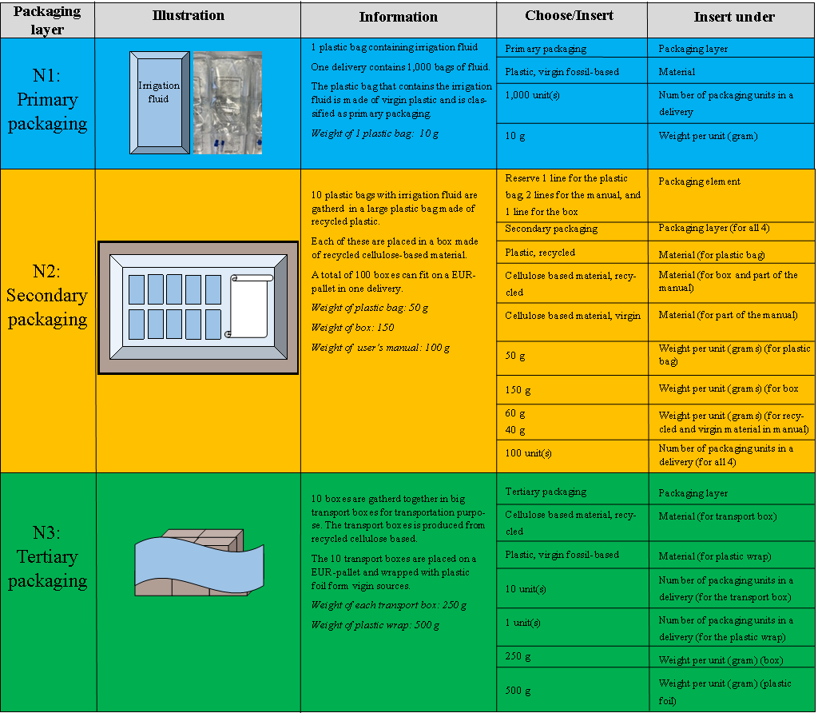
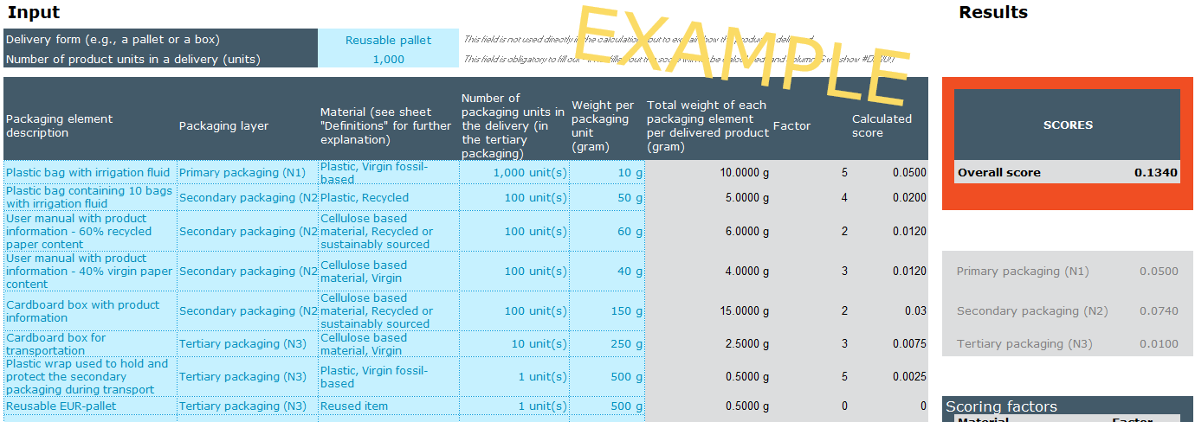
EXAMPLE
EXAMPLE (see figure →)
In a delivery with 1,000 plastic bags with irrigation fluid, the total number of product units (1.000) is typed under 'Number of product units in a delivery'.
It is delivered on a reusable pallet (written under 'Delivery form').
The plastic bag that contains the irrigation fluid is made of virgin plastic and is classified as primary packaging. One plastic bag weights 10 gram.
Choose Primary packaging under 'Packaging layer', Plastic, virgin fossil-based under 'Material', and insert 1,000 under 'Number of packaging units in a delivery', and 10 under 'Weight per unit (gram)'. 10 plastic bags with irrigation fluid are gatherd together in a plastic bag made of recycled plastic which is placed in a box made of recycled cellulose based
material. A total number of 100 boxes can fit on a EUR-pallet in a delivery. The weight of the plastic bag and the box is 50 gram and 150 gram respectively.
They are both classified as secondary packaging.
Insert one line for the plastic bag and one line for the box. Choose Secondary packaging under 'Packaging layer' for both of them. Figure: Visualization of example. Choose Plastic, recycled under 'Material' for the plastic bag and Cellulose based material, recycled or sustainably sourced for the box. Insert 50 under 'Weight per unit (gram)' for the plastic bag and 150 for the box. Insert 100 under 'Number of packaging units in a delivery' for both of the packaging elements.
In each of the 100 boxes there is a user manual of a total weight of 100 gram. The user manual is produced from paper, with a content of 60% recycled paper and 40% virgin paper, hence for each manual there is a content of 60 gram of recycled paper and 40 gram of virgin paper.
Insert one line for the recycled content and one line for the virgin content. Choose Secondary packaging under 'Packaging layer' for
both of them. Choose Cellulose based material, Recycled or sustainably sourced under 'Material' for the recycled paper and Cellulose based material, Virgin for the virgin paper. Insert 60 under 'Weight per unit (gram)' for the recycled content of the manual and 40 for the virgin paper. Insert 100 under 'Number of packaging units in a delivery' for both of the elements.
10 boxes are gatherd together in big transport boxes for transportation purpose. The transport boxes is produced from recycled cellulose based
material. The weight of each transport box is 250 gram.
Choose Tertiary packaging under 'Packaging layer', Cellulose based material, Recycled or sustainably sourced under 'Material', and insert 10 under 'Number of packaging units in a delivery', and 250 under 'Weight per unit (gram)'.
The 10 boxes are wrapped with a virgin plastic wrap classified as tertiary packaging. The weight of the plastic wrap is 500 gram.
Choose Tertiary packaging under 'Packaging layer', Plastic, virgin fossil-based under 'Material', and insert 1 under 'Number of packaging units in a delivery', and 500 under 'Weight per unit (gram)'.
For all the packaging elements 'Packaging element descripiton' is filled out. This informaiton is used to describe the different packaging elements.
The tenderer takes back the EUR-pallet with the purpose to reuse it. Hence the EUR-pallet is included in the scoring model with a weight of 0 gram.
Figure: Example - Scoring model.

Example - Scoring model
EXAMPLE - SCORING MODEL

EXAMPLE
Input |  |  |  |  |  |  |  |  | Results

Delivery form (e.g., a pallet or a box) |  | Reusable pallet | This field is not used directly in the calculations but to explain how the product is delivered.
Number of product units in a delivery (units) |  | 1,000 | This field is obligatory to fill out - if not filled out the score will not be calculated (and column G will show #DIV/0!)

Packaging element description | Packaging layer | Material (see sheet "Definitions" for further explanation) | Number of packaging units in the delivery (in the tertiary packaging) | Weight per packaging unit (gram) | Total weight of each packaging element per delivered product (gram) | Factor | Calculated score |  | SCORES
Plastic bag with irrigation fluid | Primary packaging (N1) | Plastic, Virgin fossil-based | 1,000 unit(s) | 10 g | 10.0000 g | 5 | 0.0500 |  | Overall score | 0.1340 | This is the score that should be inserted in the bid
Plastic bag containing 10 bags with irrigation fluid | Secondary packaging (N2) | Plastic, Recycled | 100 unit(s) | 50 g | 5.0000 g | 4 | 0.0200
User manual with product information - 60% recycled paper content | Secondary packaging (N2) | Cellulose based material, Recycled or sustainably sourced | 100 unit(s) | 60 g | 6.0000 g | 2 | 0.0120
User manual with product information - 40% virgin paper content | Secondary packaging (N2) | Cellulose based material, Virgin | 100 unit(s) | 40 g | 4.0000 g | 3 | 0.0120 |  | Primary packaging (N1) | 0.0500 | These scores are only for your information regarding which packaging layer (primary, secondary, tertiary) that are associated with the largest environemtal impact. These scores are not inseted in the bid.
Cardboard box with product information | Secondary packaging (N2) | Cellulose based material, Recycled or sustainably sourced | 100 unit(s) | 150 g | 15.0000 g | 2 | 0.03 |  | Secondary packaging (N2) | 0.0740
Cardboard box for transportation | Tertiary packaging (N3) | Cellulose based material, Virgin | 10 unit(s) | 250 g | 2.5000 g | 3 | 0.0075 |  | Tertiary packaging (N3) | 0.0100
Plastic wrap used to hold and protect the secondary packaging during transport | Tertiary packaging (N3) | Plastic, Virgin fossil-based | 1 unit(s) | 500 g | 0.5000 g | 5 | 0.0025
Reusable EUR-pallet | Tertiary packaging (N3) | Reused item | 1 unit(s) | 500 g | 0.5000 g | 0 | 0 | Scoring factors
 |  |  |  |  |  |  |  |  | Material | Factor
 |  |  |  |  |  |  |  |  | Metal, Virgin | 22.00
 |  |  |  |  |  |  |  |  | Metal, Recycled | 7.00
 |  |  |  |  |  |  |  |  | Plastic, Virgin fossil-based | 5.00
 |  |  |  |  |  |  |  |  | Plastic, Recycled | 4.00
 |  |  |  |  |  |  |  |  | Plastic, Biobased | 3.00
 |  |  |  |  |  |  |  |  | Cellulose based material, Virgin | 3.00
 |  |  |  |  |  |  |  |  | Cellulose based material, Recycled or sustainably sourced | 2.00
 |  |  |  |  |  |  |  |  | Reused item | 0.00

Material definitions
Material definitions

Including metal foil. The most common material is assessed to be aluminum, hence the factors are mainly based hereon.
Metals | Specification | Explanation
 | Virgin | Virgin metals are fully produced from primary, raw material sources.
 | Recycled | 100% recycled content.

Including plastic laminates and plastic non-reusable plastic pallets. The most common material is assessed to be LDPE, hence the factors are mainly based hereon.
Plastics | Specification | Explanation
 | Virgin fossil-based | Virgin plastic is produced from fossil fuels. Styrene polymers (PS, EPS and XPS) are excluded following the tender criteria.
 | Recycled | Mechanically recycled plastics is defined as products/packaging with 100% recycled plastic.
 | Biobased | Bio-based plastic is defined as bio-based, but not oxo- or biodegradable polymers. The focus is on bio-based materials from primary and secondary sources, i.e. representative for the market today. Tertiary sources (from waste products, e.g. used cooking oil) are therefore excluded.
E.g. cardboard and paper including non-reusable wooden pallets and other either adhered or attached paper e.g. manuals/leaflets. The most common material is assessed to be cardboard, hence the factors are mainly based hereon.
Cellulose based material | Specification | Explanation
 | Virgin | Virgin fibres are produced from 100% new fibres.
 | Recycled or sustainably sourced | 100% recycled/sustainably sources fibres. Cellulose fibres are to a lesser extent included. Sustainably sourced is e.g. FSC or PFEC certified.

