Introduction
INTRODUCTION TO THE SCORING MODEL

INTRODUCTION

The purpose of the scoring model is to evaluate the overall environmental performance in terms of climate impact, end-of-life treatment and recyclability. The scoring model supports the Nordic Criteria for more Sustainable packaging and provides a structured way to evaluate packaging materials based on their environmental impact. Each material receives a score derived from two core factors: Emissions Factor: Reflects the climate impact of producing the material, based on life cycle assessment (LCA) data. Disposal Factor: Assesses how easily the material can be recycled within the current Danish healthcare waste management system.

The "Scoring model" sheet shall be filled out in relation to the products specified in the tender. The purpose is to be able to evaluate the overall environmental performance of the packaging material and production hereof. Note that you should fill in the Scoring model for packaging as received directly from supplier factory (AB fabrik).

GUIDE ON HOW TO USE/FILL OUT THE SCORING MODEL
Please follow the following procedure to fill out the scoring model correctly.
1. Go to sheet "Scoring model"
2. In the top table; Fill in the total number of products in a box under 'Number of product units in a box'.
3. In the second table, describe each element/packaging component by filling out 'Packaging element description'.
4. Specify packaging layer (primary (N1), secondary (N2), or tertiary (N3)) for each element/packaging component by choosing Primary packaging, Secondary packaging, or Tertiary packaging in 'Packaging layer' (click on a cell to select from the drop-down menu).
5. Specify material for each element/packaging component by choosing the correct material in the drop-down list in column 'Material'.
6. Insert the total number of packaging units in a delivery under 'Number of packaging units in a box'. This is the total number of primary/secondary packaging units in a delivery (i.e., per tertiary packaging).
7. Insert the weight in gram of each element/packaging component in 'Weight per unit (gram)'. Be aware:
-- The value is rounded to one decimal (if the amount is 100.55, the Scoring model will calculate with 100.6. If the amount is 100.54, the Scoring model will calculate with 100.5).
NB! If one packaging element consist of a mix of recycled and virgin material, insert one line per material in the packaging element. E.g. if a packaging element consists of 40 % recycled plastic and 60 % virgin plastic, insert one line for the recycled part inserting 40 % of the weight and one line for the virgin plastic part inserting 60 % of the weight. The number of packaging units in a delivery should be the actual number for both inserted lines (recycled plastic and virgin plastic).
NB! If one packaging element consist of a composition of several material types or plast types, choose "Other plastic".
Note that if the tenderer takes back the packaging in order to reuse it or if the packaging is part of an established standardized take-back scheme as e.g. a transportation box, it should still be inserted in the scoring model but the weight is not mandatory to insert. Please choose "Reused item" under Material and note in 'Packaging element description' that the packaging element is reusable.
Packing element vs. packaging unit: The packing element is the total number of different packaging elements e.g., in the example ("Example description") there are four different packaging elements (e.g., Plastic bag with product and Cardboard box with user manual. In a transportation box each packaging element occur a certain number of times (e.g., from the example ("Example description"), the packaging element Cardboard box occurs 2 times in a transportation box, i.e., there are 2 units of Cardboard box with user manual in a transportation box). This is the packaging unit.
SCORING FACTORS METHOD v.2
The original LCA screening was performed by COWI in Autumn 2021. The updated LCA screening was performed in Summer 2025 in collaboration with the working group of the Nordic Criteria for Sustainable Packaging.
The selection of factors follows a two-step process:
1. Emission Factors: Extracted from the EXIOBASE 2.0 database, which provides detailed environmental data across material categories.
2. Disposal Factors: Validated against current standards and practices in the Danish healthcare sector to ensure relevance and accuracy.
Emission factors
To ensure consistency with current regional practices, emission factors have been updated to reflect the CO₂e values currently used across Denmark’s regions. These values are based on EXIOBASE v2.0, a globally recognized environmental database.
In the plastic categorization, the following assumptions apply:
For “Other Plastics”, if the specific polymer type is unknown, the model defaults to the worst-case scenario. For Polystyrene (PS) and Expanded Polystyrene (EPS), only PS data is available. Therefore, EPS and PS are treated as a single category in the environmental impact assessment for now.
Regarding recycled materials, an 25% impact from production is included to account for the energy and processing required during recycling. However, it remains uncertain whether recycled materials can be used in medical packaging, and this aspect is currently under review due to strict regulatory and safety requirements.
Disposal factors
The methodology reflects current recycling and incineration processes, focusing solely on the emissions generated during end-of-life treatment—not on potential emissions avoided through recycling, nor on indirect benefits captured by recyclability indices.
“Other plastic” is consistently assigned the emission factor of the worst-performing plastic within its category, ensuring a conservative estimate when specific polymer data is unavailable.
“Bio-plastic” is similarly treated, receiving the highest emission value among the bio-based plastics considered—namely PE, PET, and PP—to account for variability and uncertainty in sourcing and processing.
The core formula is based on end-of-life (EoL) emissions for each material type, as practiced in Danish healthcare settings. These emissions are then multiplied by (1 − Recyclability Index), where the Recyclability Index (RI) is a metric developed by the University of Barcelona to evaluate the economic and technical feasibility of recycling a given material (source: Microsoft Word - Villalba_E_fullpaper_113.doc).

RESULTS
The total score given in cell M10 in sheet "Scoring model" is per product unit. E.g., if 1,000 units (e.g. syringes) are delivered together (1,000 have been typed in under 'Number of units in a delivery'), the result is given per syringe.
It is the overall score that should be used in the evaluation of the criterium. The scores divided into primary, secondary, and tertiary packaging is only for your own information on where the largest environmental impacts are.
The lower the score, the more postive the evaluation is.

For more information
See sheet "Example description" for an example on how to fill in the Scoring model.
See Nordic Criteria for Susatinable Packaging for material definitions and other information.

Example description
EXAMPLE
EXAMPLE (see figure →)
In a box the total number of product units (20) is typed under 'Number of product units in a box'.
The plastic bag that contains the product is made of PELD and is classified as primary packaging. One plastic bag weights 11 gram.
Choose Primary packaging under 'Packaging layer', PELD under 'Material', and insert 20 under 'Number of packaging units in a box', and 11 under 'Weight per unit (gram)'.
10 plastic bags with a product are gathered together in a box made of cardboard. The weight of the cardboard box is 326 gram. The box is classified as secondary packaging.
Insert one line for the box. Choose Secondary packaging under 'Packaging layer' for the box. Choose Paper and cardboard under 'Material' for the box. Insert 326 under 'Weight per unit (gram)' for box. Insert 2 under 'Number of packaging units in a box' for the packaging element.
In each of the 2 boxes there is a user manual of a total weight of 18 gram.
Choose Secondary packaging under 'Packaging layer' for user manual. Insert 2 under 'Number of packaging units in a box' for the packaging element. Insert 18 under 'Weight per unit (gram)' for user manual.
2 boxes are gathered together in big transport boxes for transportation purpose. The transport boxes is produced from recycled cellulose based
material. The weight of each transport box is 400 gram.
Choose Tertiary packaging under 'Packaging layer', Paper and cardboard and insert 1 under 'Number of packaging units in a box', and 400 under 'Weight per unit (gram)'.
For all the packaging elements 'Packaging element description' is filled out. This information is used to describe the different packaging elements.
Figure: Example - Scoring model.
 | Packaging layer | Illutration | Description | Choose/Insert | Insert under
 | N1: Primary packaging |  | 1 plastic bag containing a product.​​ The plastic bag that contains the product is made of PELD and is classified as primary packaging.​ Weight of 1 plastic bag: 11 g | Primary packaging (N1) | Packaging layer
 |  |  |  | PELD | Material
 |  |  |  | 11 g | Weight per unit (gram)
 | N2: Secondary packaging |  | 10 plastic bags of product are gathered in a box of cardboard. Weight of cardboard box: 326 g Weight of user's manual: 18 g | Secondary packaging (N2) | Packaging layer
 |  |  |  | Paper and cardboard | Material
 |  |  |  | 326 g | Weight per unit (gram) (for box)
 |  |  |  | 18 g | Weight per unit (gram) (for material in manual)
 |  |  |  | 10 unit(s) | Number of packaging units in a box
 | N3: Tertiary packaging | 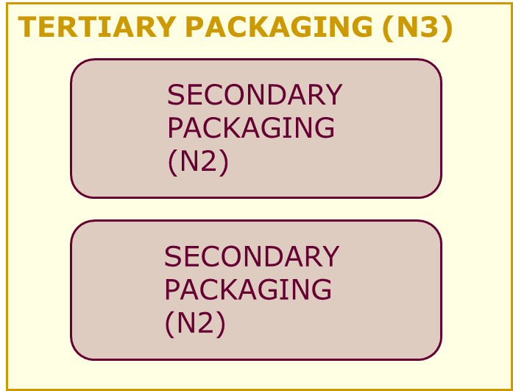 | 2 boxes are gathered in a big transport box for transportation purpose. The transport box is produced from cardboard. Weight of transport box: 400 g | Tertiary packaging | Packaging layer
 |  |  |  | Paper and cardboard | Material
 |  |  |  | 2 unit(s) | Number of packaging units in a box
 |  |  |  | 400 g | Weight per unit (gram) (for box)

